7. 2024-2025 Holiday Dates
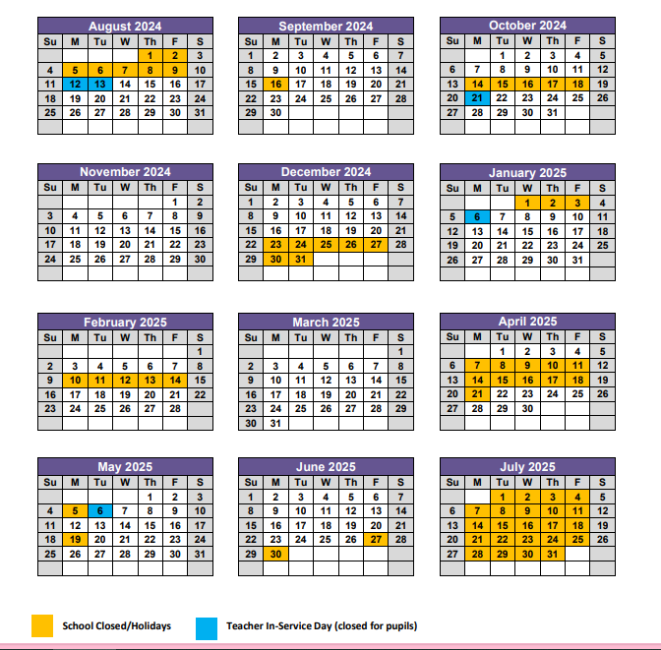
School Session Dates: 2024 - 2025

